To Complete this assignment...
To complete this assignment…

Refer to each of the Parts 1-4.
Each Part is located in this file on a separate worksheet tab.

Please note the following:

Modify the tables according to the relationship type indicated.
For each table, indicate the primary key fields using PK, and the foreign key fields using FK.
Indicate the PKs and FKs in the gray row below the field names.
Do add field(s) as and if needed to create a primary key. Modification may include adding fields or adding a table. If your modification includes adding a field, please add 3 records of sample data to that field.
If your modification includes adding a table, you must name the table, indicate a PK, and include a minimum of 3 records in that table.

Part 1
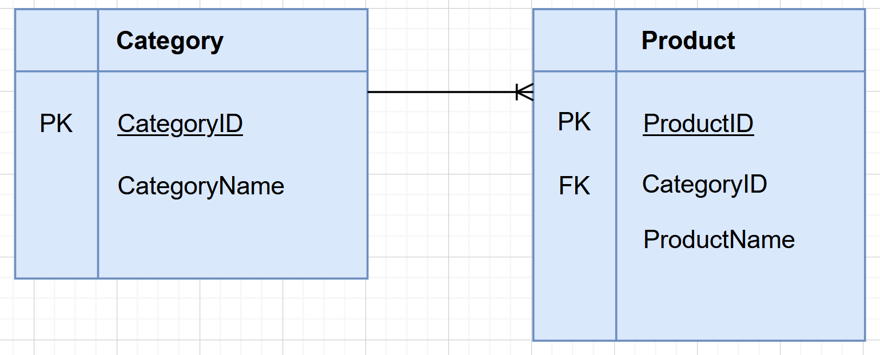
Part 1

Category |  | Product
CategoryID | CategoryName | ProductID | CategoryID | ProductName
PK |  | PK | FK
1 | Toy | 1001 | 3 | Dr. O's Dental Floss
2 | Drink | 1002 | 3 | Dan's Cardamon Floss
3 | Health Aid | 1003 | 1 | Beach Ball 12"
 |  | 1004 | 2 | Pure Leaf Iced Tea 12oz
 |  | 1005 | 1 | Beach Ball 48"

STEP 1
Modify the tables above according to the following relationship:
Modify the tables so that the relationship between Category and Product displays as a 1:M.

STEP 2
Using Visio or a similar program, create an ER Diagram that illustrates this relationship between these tables.
Paste a screen snippet of the ER Diagram here on this tab.

Once you have completed this part, proceed to the next part…

Part 4
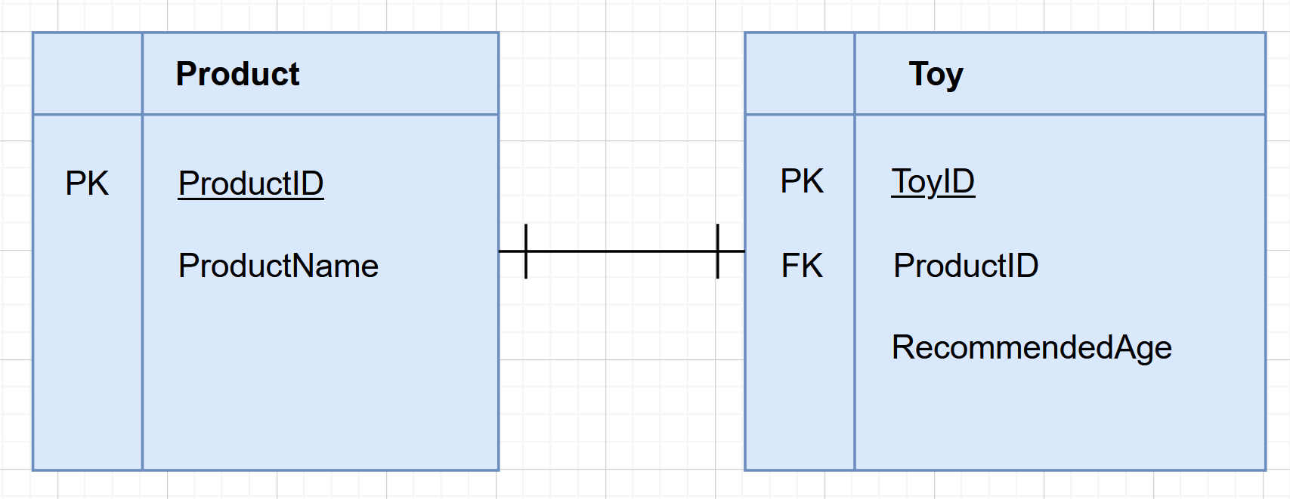
Part 4

Rationalle:
I added a productID 1006 so that I could have at least 3 entries in the Toy table as per the requirements
I did not include the other products in the Toy table because they were not toys :)
Product |  | Toy
ProductID | ProductName | ToyID | ProductID | RecommendedAge
PK |  | PK | FK
1001 | Dr. O's Dental Floss | 11 | 1003 | 3+
1002 | 7up 16oz bottle | 22 | 1005 | 5+
1003 | Playdough Fun Pack | 33 | 1006 | 3+
1004 | Pure Leaf Iced Tea 12oz
1005 | Beach Ball 48"
1006 | Bubbles 3 Pack

STEP 1
Modify the tables above according to the following relationship:
Note that RecommendedAge only applies to toys. Break apart this table to create a separate Toy table.
Then, show a 1:1 relationship between Product and Toy. Product will be the supertype and Toy will be the subtype table.

STEP 2
Using Visio or a similar program, create an ER Diagram that illustrates this relationship between these tables.
Paste a screen snippet of the ER Diagram here on this tab.

You are done!

